Maintaining Parameters
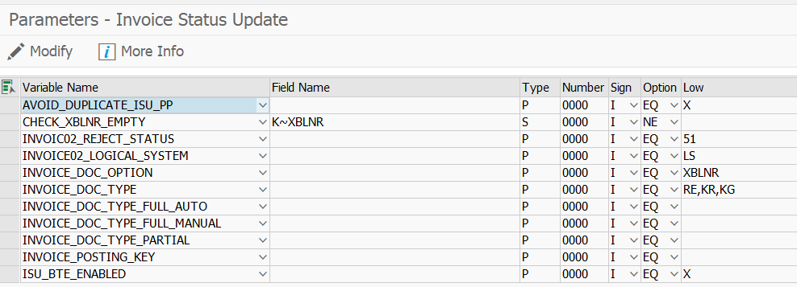
Procedure
1. Run the transaction code SPRO.

The Customizing: Execute Project screen appears.

2. Click SAP Reference IMG.

The Display IMG screen appears.

3. Navigate to Integration with Other SAP Components Managed Gateway for Spend&Network for Buyer SAP Business Network Integration Application Specific Settings Invoice Status Update.

4. Click IMG-Activity for Maintain Parameters for Invoice Status Update.

The Parameters - Invoice Status Update screen appears.

5. Maintain the following parameters:

Parameters for invoice status update
Parameter name | Description | Supported values
ISU_BTE_ENABLED | Enable or disable the Ariba provided enhancements for invoice status update. | Variable Name:ISU_BTE_ENABLED
 |  | Field Name: Leave it empty.
 |  | Number: 0000
 |  | Low: X (to enable) or leave it blank (to disable).

AVOID_DUPLICATE_ISU_PP | To ensure duplicate entries for invoice status update are not sent to SAP Business Network. | Variable Name:AVOID_DUPLICATE_ISU_PP
 |  | Field Name: Leave it empty.
 | If you maintain the AVOID_DUPLICATE_ISU_PP parameter and the BTE is triggered, the invoices status is posted only when the ZLSPR–Payment Block Key field values are changed. | Number: 0000
 |  | Low: X (to enable) or leave it blank (to disable).

INVOICE02_LOGICAL_SYSTEM | To identify the partner number of the sender of invoices that are created in SAP Business Network, and sent as IDoc but fails to post on SAP ERP. | Variable Name: INVOICE02_LOGICAL_SYSTEM
 |  | Field Name: Leave it empty.
 |  | Number: 0000
 |  | Low: Enter low value

INVOICE_DOC_OPTION | To send the XBLNR – reference document number as the invoice ID to SAP Business Network. | Variable Name: INVOICE_DOC_OPTION
 |  | Field Name: Leave it empty.
 |  | Number: 0000
 |  | Low: XBLNR

INVOICE_DOC_TYPE | Stores doc types for invoices. | Variable Name: INVOICE_DOC_TYPE
 |  | Field Name: RE
 | If you maintain this parameter with the document types, then the ERP-initiated invoice function module retrieves invoices for the specified document types. | Number: 0000
 |  | Low: For example, KR, RE, or KA
 | If you do not maintain this parameter, then the ERP-initiated invoice function module retrieves invoices for the document types maintained in the table INVOICE_DOC_TYPE.

 | To specify another general document type for invoices, for example, RE.

 | Create the same variable and field name as RE in another row and increment the Number value to 2 with the selection value as RE.

 | To store non-PO invoices created in SAP ERP or SAP S/4HANA and reversed or canceled using FB08 (KA) and FI invoices (non-PO invoices).
INVOICE_DOC_TYPE_FULL_AUTO | To store doc type required for full automatic payment for invoice status update. | Variable Name: INVOICE_DOC_TYPE_FULL_AUTO
 |  | Field Name: Leave it blank.
 |  | Number: 0000
 |  | Low: For example, ZP

INVOICE_DOC_TYPE_FULL_MANUAL | To store doc type required for full manual payment for invoice status update. | Variable Name: INVOICE_DOC_TYPE_FULL_MANUAL
 |  | Field Name: Leave it blank.
 |  | Number: 0000
 |  | Low: For example, KZ

INVOICE_DOC_TYPE_PARTIAL | To store doc type required for partial payment for invoice status update. | Variable Name: INVOICE_DOC_TYPE_PARTIAL
 |  | Field Name: Leave it blank.
 | To specify another doc type required for partial payment for invoice status update, for example, KZ. | Number: 0000
 |  | Low: KZ, KA, for example.
 | Create the same variable and field name as KZ in another row and increment the Number value to 2 with the selection value as KZ.
INVOIC02_REJECT_STATUS | To display status number of the rejected invoice. If you do not specify a value, the default value would be 51. | Variable Name: INVOIC02_REJECT_STATUS
 |  | Field Name: Leave it blank.
 |  | Number: 0000
 |  | Low: 51, 71, and so on.

CHECK_XBLNR_EMPTY | To filter the SAP generated invoices with blank reference document number to prevent any error when sent to SAP Business Network. | Variable Name: CHECK_XBLNR_EMPTY
 |  | Field Name: K~XBLNR
 |  | Type: S
 |  | Sign: I
 |  | Option: NE
 |  | Number: 0000
 |  | Low: Leave it blank.

CHECK_ARIBA_ASN | Maintain this parameter to send the status of the invoices that originated on SAP Business Network and the associated payment proposals. | Variable Name: CHECK_ARIBA_ASN
 |  | Field Name: Leave it blank.
 | Both the invoice status update and payment proposal transaction document use the ARIBA_ASN parameter. Ensure that you maintain this parameter for both the invoice status update and payment proposal document transactions. | Number: 0000
 |  | Low: X (to enable) or leave it blank (to disable).

 |  | Note
 |  | This parameter is available as part of the parameters listed for the payment proposal transaction. To specify this parameter, run the transaction code, SPRO transaction and go to Integration with Other SAP Components Managed Gateway for Spend&Network for Buyer SAP Business Network Integration Application Specific Settings Payment Proposal.

Invoice Status Update Transacti
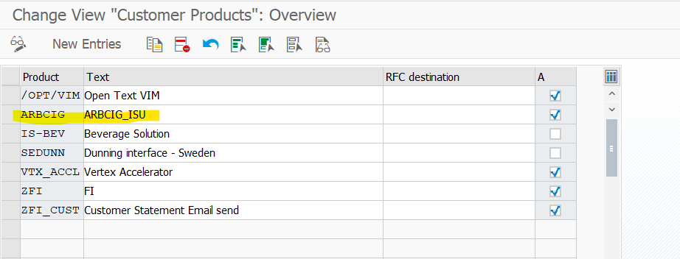
Configuring the Invoice Status Update Transaction

Context
To create a business transaction event (BTE) for the invoice status update, perform the following steps:

Procedure
1. Run the transaction code SPRO.

The Customizing: Execute Project screen appears.

2. Click SAP Reference IMG.

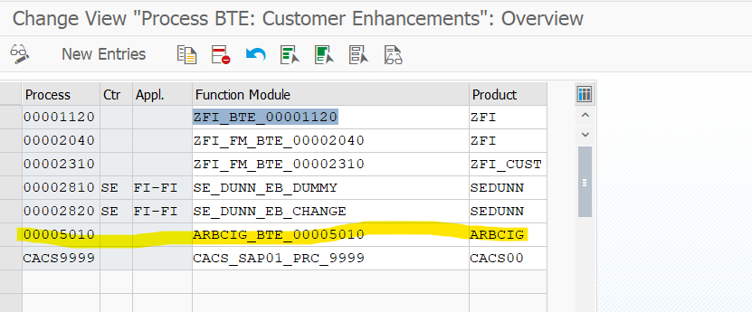
The Display IMG screen appears.

3. Navigate to Integration with Other SAP Components Managed Gateway for Spend&Network for Buyer SAP Business Network Integration Application Specific Settings Invoice Status Update.

4. Click IMG-Activity for Configure Invoice Status Update Transaction.

The SAP Business Framework: Business Transaction Events screen appears.

5. Click Settings Products ...of a customer.

6. Click New Entries.

The New Entries: Overview of Added Entries screen appears.

7. Enter a new product name and description. The product name must start with ARBCIG. For example, ARBCIG_ISU

8. Check Active.

9. Go back to SAP Business Framework: Business Transaction Events screen and click Settings Process Modules ...of a customer.

10. Click New Entries.

The New Entries: Overview of Added Entries screen appears.

11. Enter the following information:

Process: 00005010
Function Module: ARBCIG_BTE_00005010
Product: Specify the product name created in Step 5.

12. Save the changes.

Sheet1
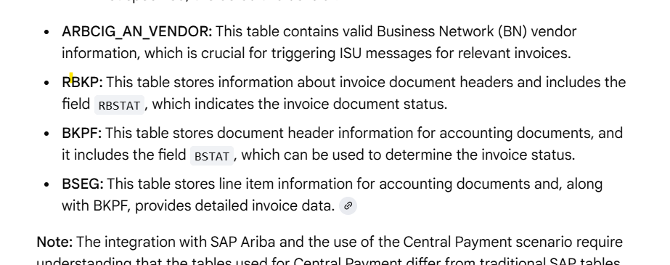
ARBCIG_INVOICE_STATUS_UPD

Scheduling Job for Invoice Stat
Scheduling Job for Invoice Status Update
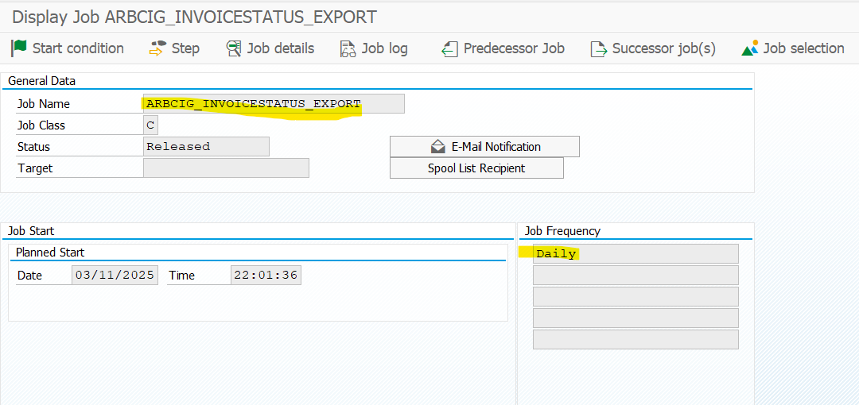
Context
Schedule the report ARBCIG_INVOICESTATUS_EXPORT to record the creation or status change of the invoice in SAP ERP or SAP S/4HANA and ensure that the messages are triggered. The report determines the invoices that have been created or changed since the last time the report was run and triggers the invoice status update messages.

To schedule job for Invoice Status Update, perform the following steps:

Procedure
1. Run the transaction code SM36.

The Define Background Job screen appears.

2. In the Program field, enter ARBCIG_INVOICESTATUS_EXPORT.

3. Schedule the program.

